DE Timeline
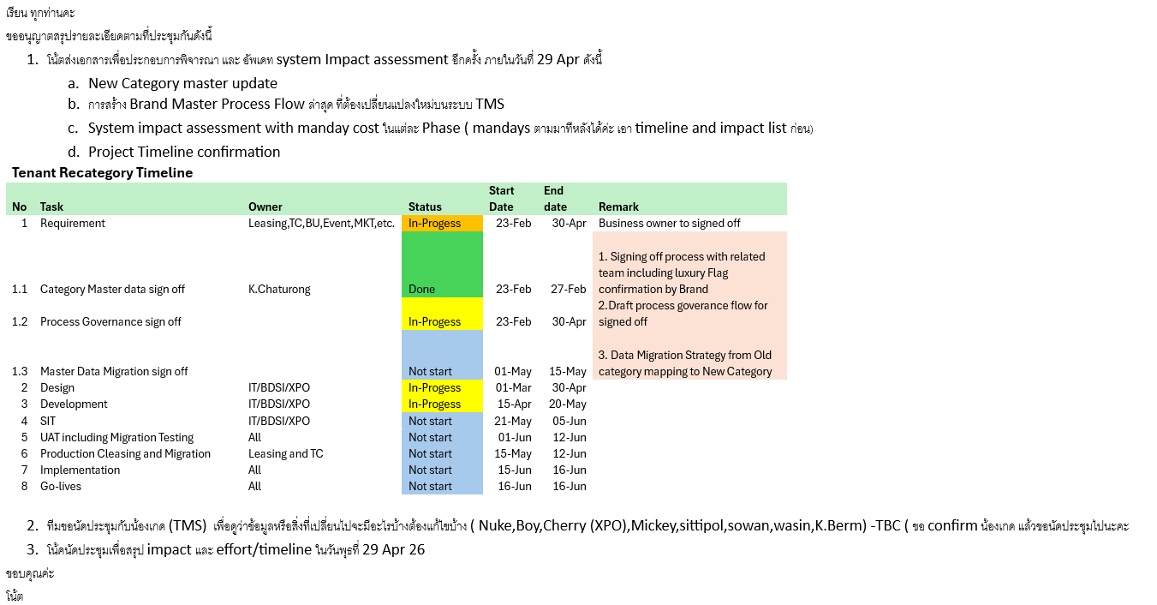
 | Impact List | Dev
 |  | Start Date | End Date
1 | Tenant Directory | 15-May-26 | 15-May-26
2 | Tenant Contact Center (Shop) | 18-May-26 | 18-May-26
3 | Tenant Master | 19-May-26 | 21-May-26
4 | Campaign AI for Promotion (Campaign Management) | 22-May-26 | 24-May-26

Tenant Master
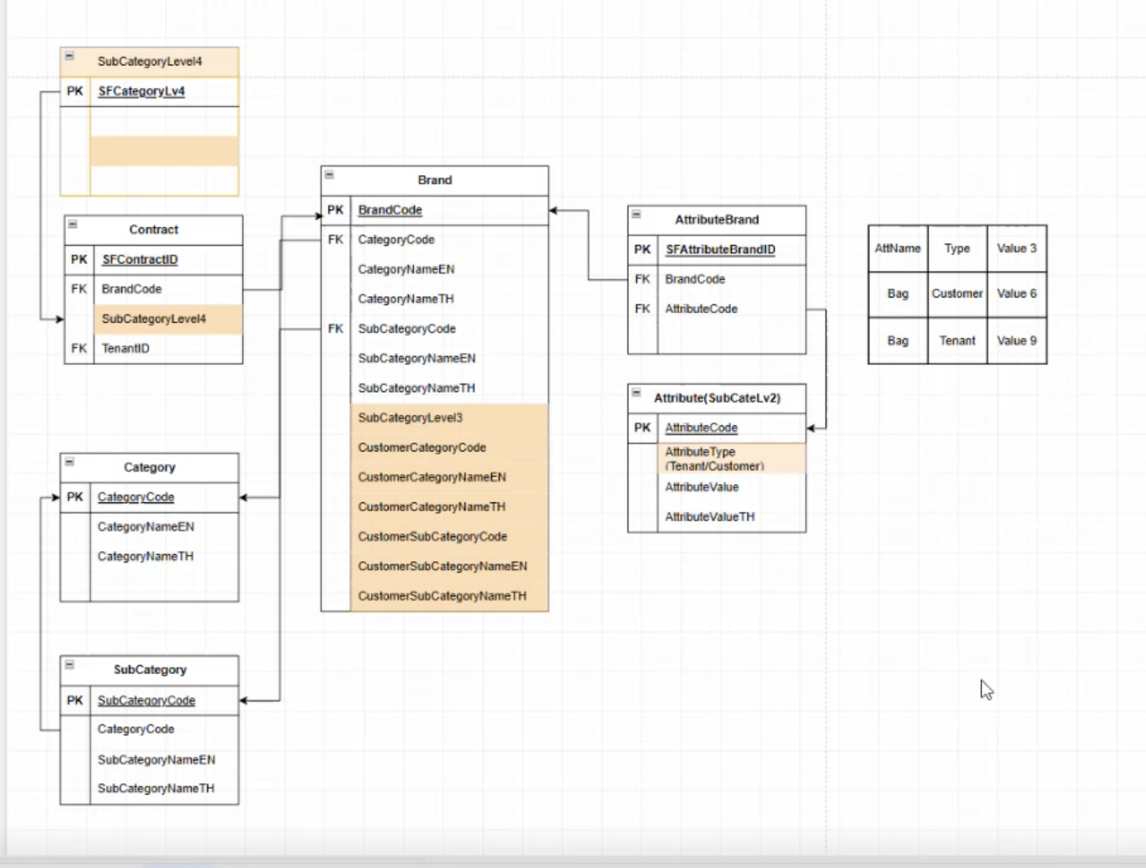
warehouse_tenant.brand_master
 | Field Name | Description | Sample
 | brand_code
 | brand_name_en
 | brand_name_th
 | category_group_cod
 | category_code | Main Category
 | sub_category_code | Sub Category Level 1
 | is_active
 | brand_type
 | create_date
 | update_date
 | source_table
 | system_status
 | brand_name_for_vlc
 | loaddt
new | sub_category_2_code | Sub Category Level 2
new | sub_category_2_name_en | Sub Category Level 2
new | sub_category_2_name_th | Sub Category Level 2
new | premiumness | Sub Category Level 3 | Luxury, NonLuxury
new | customer_category_code | Customer Main Category
new | customer_category_name_en | Customer Main Category
new | customer_category_name_th | Customer Main Category
new | customer_subcategory_code | Customer Sub Category Level 1
new | customer_subcategory_name_en | Customer Sub Category Level 1
new | customer_subcategory_name_th | Customer Sub Category Level 1
new | customer_subcategory_2_code | Customer Sub Category Level 2
new | customer_subcategory_2_name_en | Customer Sub Category Level 2
new | customer_subcategory_2_name_th | Customer Sub Category Level 2

warehouse_tenant.brand_attribute (NO CHANGE BUT IMPACT)
 | Field Name | Description | Sample
 | sfattributebrandid
 | brand_code
 | attribute_code
 | is_active
 | system_create_date
 | system_create_by
 | system_update_date
 | system_update_by
 | system_status

warehouse_tenant.attribute (NO CHANGE BUT IMPACT)
 | Field Name | Description | Sample
 | sfattributeid
 | attribute_code
 | attribute_subcode
 | attribute_type |  | Tenant, Customer, Product Offering, Gender
 | attribute_value
 | attribute_valueth
 | is_active
 | system_create_date
 | system_create_by
 | system_update_date
 | system_update_by
 | system_status
 | is_deleted

